Sheet1
 | Big Five Personality
 | Student Questionnaire
 | Instructions
 | 1 | Complete the below table
 |  | Student Name |  | BERRIN BEKTAS
 |  | Student Number |  | 19935377
 |  | Workshop day / time |  | TUESDAY 1:00PM

 | 2 | Look at each of the following 15 pairs of adjectives and tick the point on the scale that most accurately describes you or your preferences.

 | 1 | quiet |  |  |  | talkative
 | 2 | tolerant |  |  |  | critical
 | 3 | disorganised |  |  |  | organised
 | 4 | tense |  |  |  | calm
 | 5 | imaginative |  |  |  | conventional
 | 6 | reserved |  |  |  | outgoing
 | 7 | uncooperative |  |  |  | cooperative
 | 8 | unrelaiable |  |  |  | dependable
 | 9 | insecure |  |  |  | secure
 | 10 | new |  |  |  | familiar
 | 11 | socialble |  |  |  | loner
 | 12 | suspicious |  |  |  | trusting
 | 13 | undirected |  |  |  | goal-oriented
 | 14 | enthusiastic |  |  |  | depressed
 | 15 | change |  |  |  | status quo

 | 3 | Share your BigFive Ressults with your workshop facilitator.

Your Result

 |  | Student Name | 0
 |  | Student Number | 0
 |  | Workshop day / time | 0

 |  | Criteria |  | Score | Guide
 |  | Openness to experience |  | 8 | Average
 |  | Conscientiousness |  | 14 | High
 |  | Extraversion |  | 12 | High
 |  | Agreeableness |  | 11 | High
 |  | Emotional stability |  | 11 | High
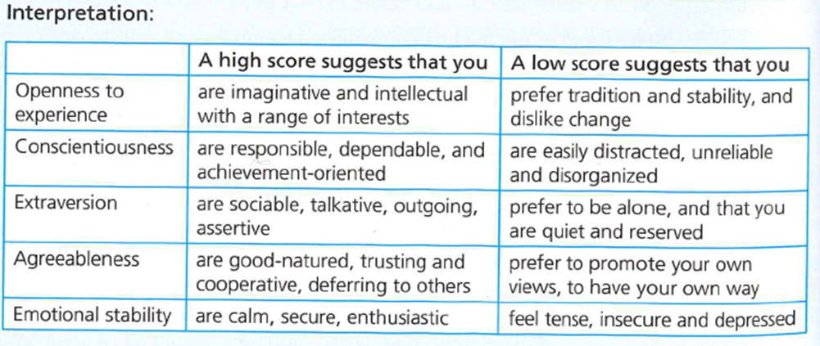

 | Areas for Self-improvement

